Main reports

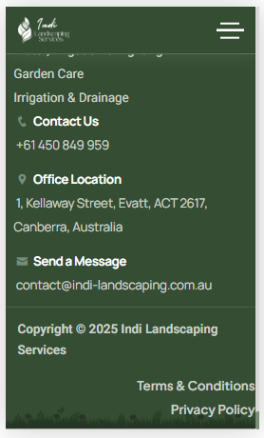
6 | 7 | 8

Chat
 |  |  |  |  | SHIFTSMART MOBILE APP
Test Case Description | Test Steps | Test Data | Expected Result | Actual Result | Pass/Fail | feedback | feedback
Functional Testing
Verify Chat tab loads successfully | 1) Login to app 2) Tap Chat tab in bottom navigation | Valid user | Chat list screen loads without crash | As expected | Pass
Verify Chats header is displayed | 1) Open Chat tab | N/A | “Chats” header is visible and properly aligned | As expected | Pass
Verify existing chat conversations are displayed | 1) Open Chat tab | N/A | Existing chat conversations are listed with name and last message | As expected | Pass
Verify chat list shows user name and last message preview | 1) Observe chat list items | N/A | Each chat shows employee name and last message/indicator | As expected | Pass
Verify tapping a chat opens chat conversation | 1) Tap on a chat (Edward Abrahim) | Chat item | Navigates to selected chat conversation screen | As expected | Pass
Verify Notification icon is accessible from Chat tab | 1) Tap bell icon | N/A | Navigates to Notifications screen | As expected | Pass
Verify Menu icon is accessible from Chat tab | 1) Tap menu icon | N/A | Menu/Drawer opens correctly | As expected | Pass
Verify Chat bottom navigation icon quality and clarity | 1) Login to app 2) Navigate to bottom navigation 3) Observe Chat icon | N/A | Chat icon should be sharp, clear, and consistent in quality with other bottom navigation icons | Chat icon appears low quality / blurry compared to other icons | Fail | UI issue: Chat bottom bar icon resolution/quality is poor. Replace with higher-resolution vector (SVG) or correct icon scaling.

Chat Tab – Start New Chat / Find Employee Modal

Verify Add (+) button opens Find Employee modal | 1) Open Chat tab 2) Tap + icon | N/A | Find Employee modal opens | As expected | Pass
Verify Find Employee modal UI loads correctly | 1) Observe modal | N/A | Modal displays search input and Cancel option | As expected | Pass
Verify search input accepts text | 1) Tap search field 2) Type name | “Edward” | User can type text into search field | As expected | Pass
Verify Cancel button closes modal | 1) Tap Cancel | N/A | Modal closes and returns to Chat list | As expected | Pass
Verify modal closes when background is tapped (if supported)
Verify Find Employee returns users when starting a new chat | 1) Open Chat tab 2) Tap blue + icon 3) Type employee name | Existing employee name | Matching employees should be listed and selectable | Displays “No users found” even for existing users | Fail | Functional issue: Employee search not returning users. Possible API, permission, or filtering issue. Blocks starting new chats. | 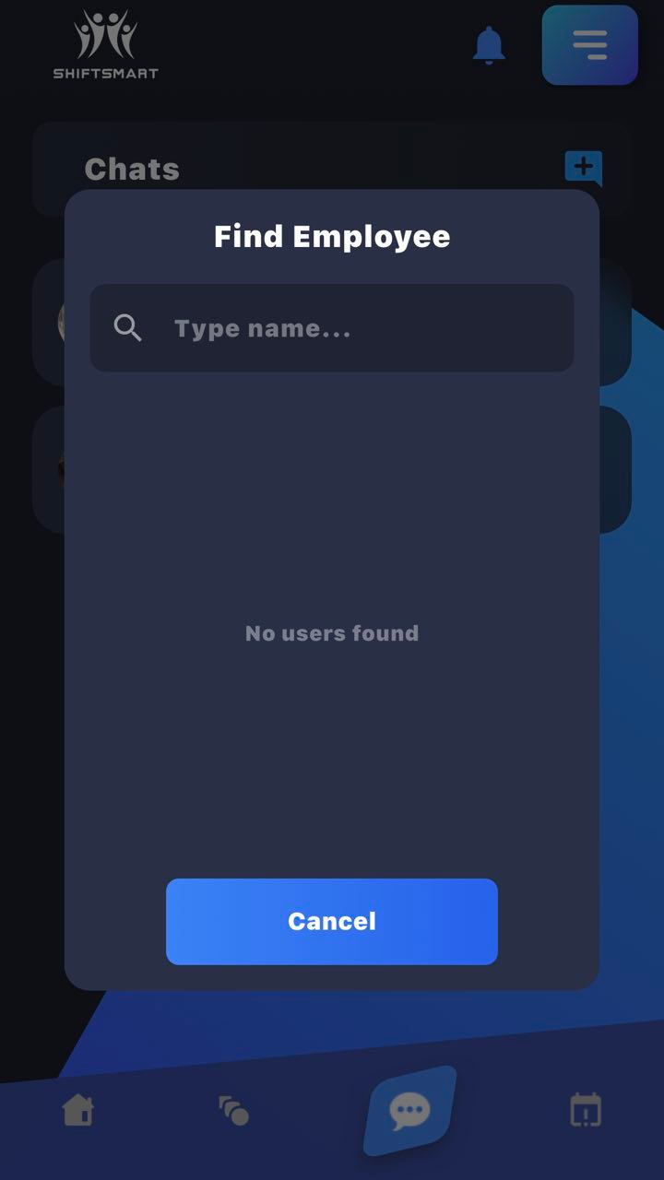

Chat Conversation Screen – Functional Testing

Verify Chat conversation screen loads correctly | 1) Open a chat | Edward Abrahim | Chat conversation screen loads without error | As expected | Pass
Verify chat header displays employee name | 1) Observe chat header | N/A | Employee name is displayed correctly | As expected | Pass
Verify previous messages are displayed | 1) Scroll chat history | N/A | Previous chat messages are visible in correct order | As expected | Pass
Verify sent and received messages are visually distinguishable | 1) Observe message bubbles | N/A | Sent and received messages have different styles/alignment | As expected | Pass
Verify timestamps are displayed for messages | 1) Observe message timestamps | N/A | Each message shows correct time | As expected | Pass
Verify message input field is visible | 1) Observe bottom input | N/A | Message input field is visible and accessible | As expected | Pass
Verify typing a message updates input field | 1) Type message | “hi” | Typed text appears in input field | As expected | Pass
Verify Send button is enabled when text is entered | 1) Type message | N/A | Send button becomes enabled | As expected | Pass

